Sheet1
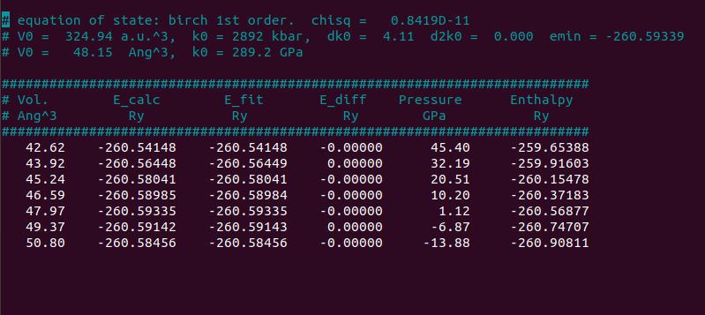
cell parameter a (A) | cell parameter c (A) | volume | total energy (Ry) | pressure(xy,kbar) | pressure(z, kbar) | time(s)
4.0597 | 2.585876 | 42.61824667 | -260.5414842 | 431.86 | 521.78 | 34.29
4.0997 | 2.612888 | 43.91621981 | -260.56448451 | 306.95 | 369.54 | 34.79
4.1397 | 2.639900 | 45.24027277 | -260.58040705 | 196.34 | 234.2 | 43.44
4.1797 | 2.666912 | 46.59066485 | -260.5898454 | 98.72 | 114.18 | 45.47
4.2197 | 2.693923 | 47.96763758 | -260.59334659 | 12.81 | 8.07 | 46.09
4.2597 | 2.720935 | 49.37148554 | -260.59142408 | -62.55 | -85.5 | 44.94
4.2997 | 2.747947 | 50.80245057 | -260.58456082 | -128.41 | -167.76 | 46.79

